
DESCRIPTION: |  | FRAME AND DRIVE |  | SN from 01B100

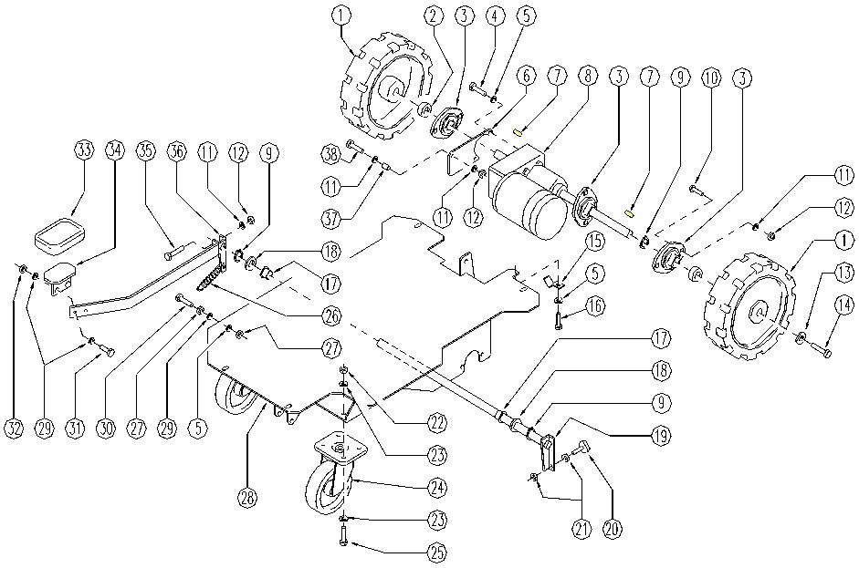

 | ITEM | SKU | DESCRIPTION | QTY
 | 1 | E86572 | wheel FS28/32 | 2
 | 2 | E86626 | Spacer for Bearing | 2
 | 3 | E86627 | Y - Support Bearing Included | 3
 | 4 | E86737 | Screw | 2
 | 5 | E87921 | Washer | 4
 | 6 | SL39085 | PLATE | 1
 | 7 | E89203 | Key | 2
 | 8 | E86787 | Traction motor FS28/32 | 1
 | 9 | SL11094 | RING | 3
 | 10 | E89159 | Screw for front cover of Foreman | 6
 | 11 | E86879 | Washer | 9
 | 12 | E86853 | Nyloc Hex Nut, M8 Zinc | 7
 | 13 | E89202 | Washer | 2
 | 14 | E89157 | Screw FS28/32 | 2
 | 15 | SL14353 | CLIP | 1
 | 16 | SL04180 | SCREW | 1
 | 17 | E89403 | Bushing | 2
 | 18 | SL06079 | WASHER | 2
 | 19 | SL39075 | BRAKE AXLE | 1
 | 20 | E86573 | brake pad FS28/32 | 2
 | 21 | E86876 | Nut | 4
 | 22 | E86462 | AS20 Nut | 8
 | 23 | E88091 | Washer Watchman | 16
 | 24 | E86786 | Caster wheel FS28/32 | 2
 | 25 | SL04132 | SCREW | 8
 | 26 | E88578 | Spring | 1
 | 27 | E86873 | Nut | 2
 | 28 | E87907 | Frame FS32 | 1
 | 29 | E86427 | Washer | 5
 | 30 | SL04144 | SCREW | 1
 | 31 | E86475 | Screw TE M .6-20 | 2
 | 32 | E86738 | Nut M6 w/ Nylon Ring | 2
 | 33 | E89419 | Petal Pad | 1
 | 34 | SL09133 | PEDAL | 1
 | 35 | E86486 | Screw TE M8-45 | 1
 | 36 | E89210 | Lever (brake) FS28/32 | 1
 | 37 | SL07387 | SPACER | 1
 | 38 | SL04075 | SCREW | 1

